Tariff
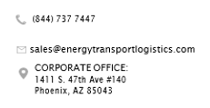

Pricing Agreement

Account Code: |  |  | Energy Sales Person:

Account Name:

Customer Email: |  | (for e-signature)

Customer Name: |  | (for e-signature)

Section A
REQUIREMENTS |  | ORIGIN |  |  |  |  |  | DESTINATION
Traffic Type | Fuel | Terminal | Area A | Area B | Area C | Area D | Area E | Terminal | Area A | Area B | Area C | Area D | Area E
 |  |  | FALSE | FALSE | FALSE | FALSE | FALSE |  | FALSE | FALSE | FALSE | FALSE | FALSE
 |  |  | FALSE | FALSE | FALSE | FALSE | FALSE |  | FALSE | FALSE | FALSE | FALSE | FALSE
 |  |  | FALSE | FALSE | FALSE | FALSE | FALSE |  | FALSE | FALSE | FALSE | FALSE | FALSE
 |  |  | FALSE | FALSE | FALSE | FALSE | FALSE |  | FALSE | FALSE | FALSE | FALSE | FALSE
 |  |  | FALSE | FALSE | FALSE | FALSE | FALSE |  | FALSE | FALSE | FALSE | FALSE | FALSE
 |  |  | FALSE | FALSE | FALSE | FALSE | FALSE |  | FALSE | FALSE | FALSE | FALSE | FALSE
 |  |  | FALSE | FALSE | FALSE | FALSE | FALSE |  | FALSE | FALSE | FALSE | FALSE | FALSE
 |  |  | FALSE | FALSE | FALSE | FALSE | FALSE |  | FALSE | FALSE | FALSE | FALSE | FALSE
 |  |  | FALSE | FALSE | FALSE | FALSE | FALSE |  | FALSE | FALSE | FALSE | FALSE | FALSE
 |  |  | FALSE | FALSE | FALSE | FALSE | FALSE |  | FALSE | FALSE | FALSE | FALSE | FALSE
 |  |  | FALSE | FALSE | FALSE | FALSE | FALSE |  | FALSE | FALSE | FALSE | FALSE | FALSE

Section B | 💡 Lanes will auto populate in cells E34-42, based on section A requirements.
RATE:
Traffic Type | Lane | MIN | 100/ cwt | 1000/ cwt | 3000/ cwt | 5000/ cwt | 7500/ cwt | CAP | Notes
 | to
 | to
 | to
 | to
 | to
 | to
 | to
 | to
 | to
 | to
 | to

How to print
You will need to scale printer settings to capture the full sheet for printing.

Steps:
"Print" > "Fit Sheet on one Page".

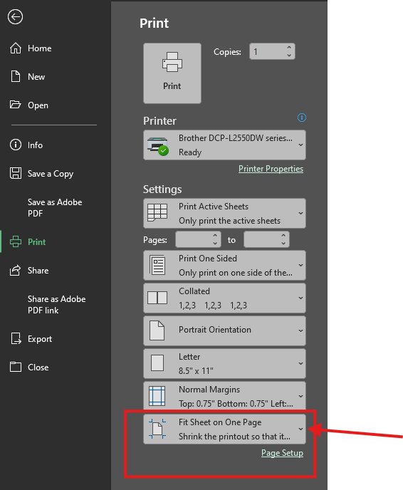

PA workflow
