Tariff
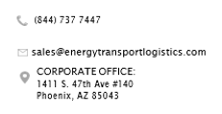

Pricing Agreement

Account Code:

Customer Name:

Customer Email: |  | (for e-signature)

REQUIREMENTS |  | ORIGIN |  |  |  |  |  | DESTINATION
Traffic Type | Fuel | Terminal | Area A | Area B | Area C | Area D | (A-D) | Terminal | Area A | Area B | Area C | Area D | (A-D)
 |  |  | FALSE | FALSE | FALSE | FALSE | FALSE |  | FALSE | FALSE | FALSE | FALSE | FALSE
 |  |  | FALSE | FALSE | FALSE | FALSE | FALSE |  | FALSE | FALSE | FALSE | FALSE | FALSE
 |  |  | FALSE | FALSE | FALSE | FALSE | FALSE |  | FALSE | FALSE | FALSE | FALSE | FALSE
 |  |  | FALSE | FALSE | FALSE | FALSE | FALSE |  | FALSE | FALSE | FALSE | FALSE | FALSE
 |  |  | FALSE | FALSE | FALSE | FALSE | FALSE |  | FALSE | FALSE | FALSE | FALSE | FALSE

 | RATE: | MINIMUM | 100/ cwt | 1000/ cwt | 3000/ cwt | 5000/ cwt | 7500/ cwt | CAP | Other:

How to print
You will need to scale printer settings to capture the full sheet for printing.

Steps:
"Print" > "Fit Sheet on one Page".

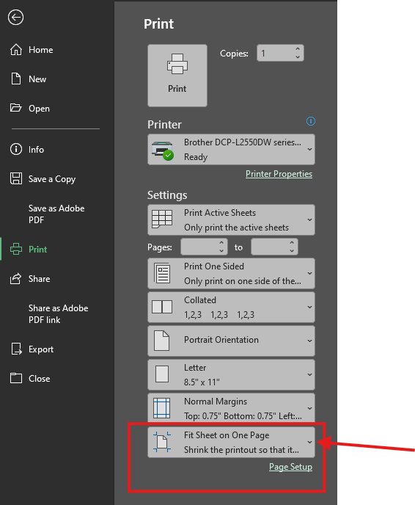

PA workflow
